Front

 |  |  |  |  |  | SUBMITTAL DATA
 |  |  |  |  |  | CP / CE SERIES SOFFIT MOUNT AIR HANDLER

Job: |  |  |  | Engineer:
Location: |  |  |  | Architect:
Schedule No.: |  |  |  | Date:
System Designation: |  |  |  | For:

FEATURES
Available in uncased or factory-installed cased configurations.
A1 model Suitable for use with R-410A.
A2L model Suitable for use with R-32 and R-454B.
A2L model include factory installed Refrigerant Detections System (RDS).
Designed for installation in a furred down area.
Fits industry standard footprints.
Optional field or factory installed heat 3-10kW.
Optional factory installed TXV w/threaded connections.
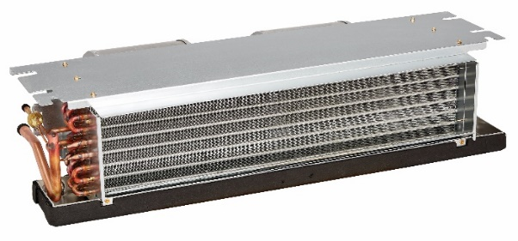

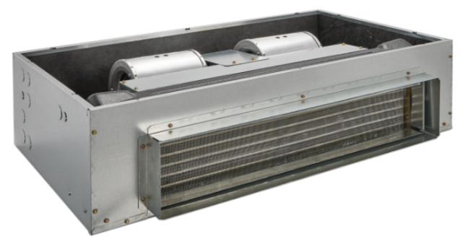
Product Warranty
5-year limited warranty (Terms & Conditions Apply).

Optional Accessories
Decorative panel
Heat pump relay
Float switch

 |  | Unit Size
 |  | CP1801C1HS001CA | CE2301C1HS001CA | CP2301ABHP031UR | CE1801A1HP031UR
Factory Installed Heat (kW) |  | none | none | 3kW | 3kW
Refrigerant |  | R-410A | R-410A | R-32 | R-454B
Factory Installed metering device |  | Piston | Piston | Non-bleed HP-A/C TXV | Piston
Blower Data: | Motor Type | 2-speed PSC motor | ECM Constant Torque Motor | 2-speed PSC motor | ECM Constant Torque Motor
 | Motor H.P. | 1/8 | 1/4 | 1/3 | 1/4
 | F.L.A. | 1.25 | 2 | 1.9 | 2
Nominal CFM |  | 600 | 800 | 800 | 600
Max Unit Weight (lbs) |  | 92 | 92 | 63 | 63
Available Voltages |  | 208/240 V, 60 Hz, 1 Ph | 208/240 V, 60 Hz, 1 Ph | 208/240 V, 60 Hz, 1 Ph | 208/240 V, 60 Hz, 1 Ph
Maximum Elec. Heat available (kW) |  | 8kW | 8kW | 8kW | 8kW
Transformer Size and Type |  | 40VA, Class 2 | 40VA, Class 2 | 40VA, Class 2 | 40VA, Class 2
Refrigerant Conn. (IDS) Suction |  | 3/4 | 3/4 | 3/4 | 3/4
Refrigerant Conn. (IDS) Liquid |  | 3/8 | 3/8 | 3/8 | 3/8
Pallet Quantity (min order per model) |  | 8 | 8 | 8 | 8
NOTES:
Cooling capacities subject to outdoor unit matchup. See http://www.adpnow.com/extratings/ for individual capacities by OEM
Cooling and Heating capacity data is rated at the following conditions:
Cooling: 80 FDB / 67 FWB Indoor, 95 FDB Outdoor
Heating: 70 FDB / 47 FWB Indoor, 43 FDB Outdoor

 | A1 Refrigerants Product Nomenclature |  |  | A2L Refrigerants Product Nomenclature

Product improvement is a continuous process at Advanced Distributor Products. Therefore, product specifications are subject to change without notice and without obligation on our part. Please contact your ADP representative or distributor to verify details.
© 2025 by Advanced Distributor Products. All rights reserved.

2140 Lake Park Blvd., Richardson, TX 75080
www.adpnow.com

Back
 |  |  |  |  |  |  |  |  |  |  |  |  |  |  |  |  |  |  | SUBMITTAL DATA
 |  |  |  |  |  |  |  |  |  |  |  |  |  |  |  |  |  |  | CP / CE SERIES SOFFIT MOUNT AIR HANDLER

Dimensions
Air Handler Size |  |  |  |  |  | A (in) | B (in) | C (in) | D (in) |  | E (in) |  | Case Type
CP1801C1HS001CA |  |  |  |  |  | 39.7 | 24 | 11 | 30.5 |  | 7 |  | Cased
CE2301C1HS001CA |  |  |  |  |  | 39.7 | 24 | 11 | 30.5 |  | 7 |  | Cased
CP2301ABHP031UR |  |  |  |  |  | 37 | 19.5 | 10.5 | N/A |  | N/A |  | Uncased
CE1801A1HP031UR |  |  |  |  |  | 37 | 19.5 | 10.5 | N/A |  | N/A |  | Uncased

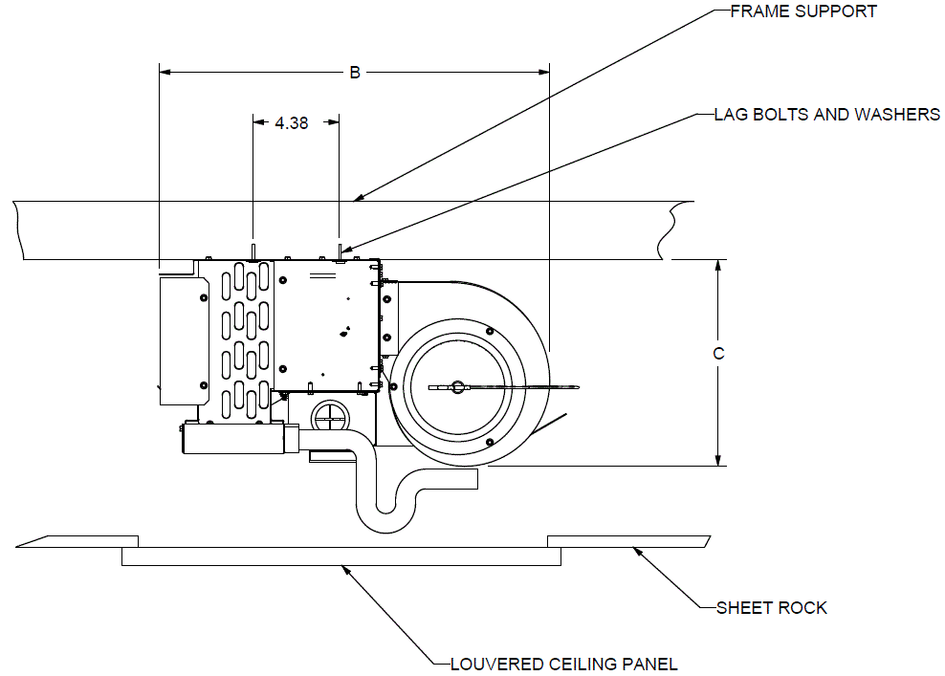
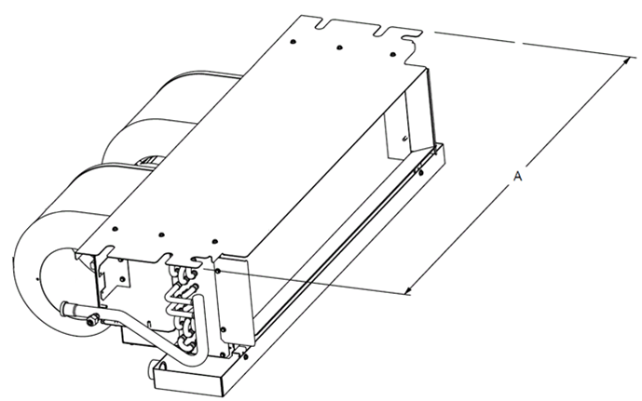

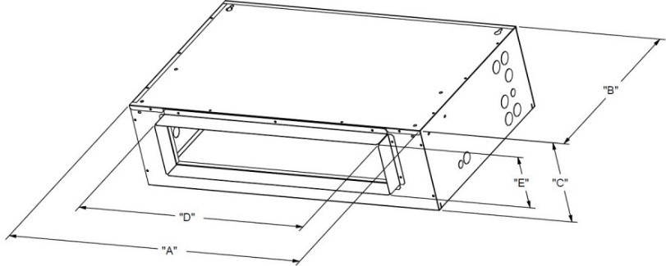

 | Airflow (CFM) vs. External Static Pressure (inches W.C.) |  |  |  |  |  |  | Electric Data

Unit Size | Speed | 0.1 | 0.2 | 0.3 | 0.4 | 0.5 |  | Unit Size | Electric Heating Capacity |  | Blower Amps (A) |  | Total Current (A) |  | Minimum Circuit Ampacity (A) |  | Maximum Circuit Breaker Size[2]
CP1801C1HS001CA | Low - Red | 609.9 | 536.4 | 467.5 | 392.4 | 315.7 |  |  | kW | BTUH |  |  |  |  |  |  | Per Stage (A)
 | High -Black | 680 | 607.4 | 532.3 | 456.2 | 367.6 |  |  | 240[1] | 240[1] | 208 V | 240 V | 208 V | 240 V | 208 V | 240 V | 208 V | 240 V
 |  |  |  |  |  |  |  | CP1801C1HS001CA | 0 | 0 | 1.3 | 1.3 | 1.3 | 1.3 | 1.6 | 1.6 | 15 | 15

Unit Size | Speed | 0.1 | 0.2 | 0.3 | 0.4 | 0.5 |  | Unit Size | Electric Heating Capacity |  | Blower Amps (A) |  | Total Current (A) |  | Minimum Circuit Ampacity (A) |  | Maximum Circuit Breaker Size[2]
CE2301C1HS001CA | Tap 1 (G) | 617.8 | 547.4 | 464.3 | 343.8 | 270.1 |  |  | kW | BTUH |  |  |  |  |  |  | Per Stage (A)
 | Tap 2 (DS) | 617.2 | 546.9 | 469.4 | 351.3 | 272.8 |  |  | 240[1] | 240[1] | 208 V | 240 V | 208 V | 240 V | 208 V | 240 V | 208 V | 240 V
 | Tap 3 (Y1) | 778.5 | 719.8 | 632.8 | 549.1 | 441.1 |  | CE2301C1HS001CA | 0 | 0 | 2.0 | 2.0 | 2.0 | 2.0 | 2.5 | 2.5 | 15 | 15
 | Tap 4 (Y2) | 939.7 | 876.4 | 811.9 | 750.1 | 675.3
 | ^ Tap 5 (W1) | 937 | 874.6 | 812 | 749.9 | 674.4

Unit Size | Speed | 0.1 | 0.2 | 0.3 | 0.4 | 0.5 |  | Unit Size | Electric Heating Capacity |  | Blower Amps (A) |  | Total Current (A) |  | Minimum Circuit Ampacity (A) |  | Maximum Circuit Breaker Size[2]
CP2301ABHP031UR | Low - Red | 845.9 | 776.8 | 701.8 | 626.6 | 545.9 |  |  | kW | BTUH |  |  |  |  |  |  | Per Stage (A)
 | High -Black | 902.3 | 830.3 | 754.7 | 667.3 | 588.7 |  |  | 240[1] | 240[1] | 208 V | 240 V | 208 V | 240 V | 208 V | 240 V | 208 V | 240 V
 |  |  |  |  |  |  |  | CP2301ABHP031UR | 3[2] | 10236 | 1.9 | 1.9 | 12.7 | 14.4 | 15.9 | 18.0 | 20 | 20

Unit Size | Speed | 0.1 | 0.2 | 0.3 | 0.4 | 0.5 |  | Unit Size | Electric Heating Capacity |  | Blower Amps (A) |  | Total Current (A) |  | Minimum Circuit Ampacity (A) |  | Maximum Circuit Breaker Size[2]
CE1801A1HP031UR | Tap 1 (G) | 603.9 | 514.1 | 452.8 | 437.1 | 301.3 |  |  | kW | BTUH |  |  |  |  |  |  | Per Stage (A)
 | Tap 2 (DS) | 603.9 | 514.1 | 452.8 | 437.1 | 301.3 |  |  | 240[1] | 240[1] | 208 V | 240 V | 208 V | 240 V | 208 V | 240 V | 208 V | 240 V
 | Tap 3 (Y1) | 734.5 | 651.4 | 576.9 | 506.1 | 443.9 |  | CE1801A1HP031UR | 3[2] | 10236 | 2.0 | 2.0 | 12.8 | 14.5 | 16.0 | 18.1 | 20 | 20
 | Tap 4 (Y2) | 890.3 | 826.2 | 764.4 | 699.6 | 604.9
 | ^ Tap 5 (W1) | 890.3 | 826.2 | 764.4 | 699.6 | 604.9

* Factory setting for cooling. |  |  |  |  |  |  |  | [1] For 208 Volts use .751 correction factor for kW & BTUH.
^ Factory setting for heating. |  |  |  |  |  |  |  | [2] Breaker supplied with heat kit may need to be changed. Verify breaker sizing based on min, circuit ampacity.
*** All airflow data is with a dry coil, filter, & electric heat.

